Definitions
Subsystem TVS - Equipment classes & instances

Definitions

1-Class List
Column Class | Column Name | Column Description | Values
 | Revision | Identifiy the IO revision in witch the information was added , deleted or modified | version (string)
 | isAComment | Specify whether the line is a comment or not | Y or N
EQUIPMENT CLASSES
 | System | Define the trigram of the system's name in which the equipment is included | XXX
 | Sub-system | Define the trigram of the sub-system's name in which the equipment is included | XXX
 | Class name | Short equipment name on XXX characters number (minimum 3 characters - maximum 12 characters)
 | CSS Point Name | Normalized name, used within the SCADA

EXTERNAL SYSTEM DATA
 | Point Name | Name of equipment point from supplier
 | Point Description | Any useful documentation on the point
 | Point Type | Point can be qualified as Event or Alarm. Operational are not sent to MMS, Technical and Meter are sent to MMS. Hence, supported values are | Operational Event |  | Event which are from the nominal mode of the equipment. For exmaple open/close, locked/unlocked …
 |  |  | Operational Alarm |  | Alarm that are from the nominal operation mode of the equipment. For example operator changing mode which put the equipment in Alarm state or equipment changing its status triggering an alarm.
 |  |  | Technical Alarm |  | Alarm that deviated from the nominal operation mode. For example all detect fault. These are not part of the system nominal behavior
 |  |  | Meter |  | Event which are needed for maintenance procedures.
 |  |  | Command

 | Frequency | Time interval between data transmissions from SCADA to MMS | Daily
 |  |  | Weekly
 |  |  | Monthly

 | Data Type | Digital Input | DI | 1 | bit
 |  |  | DI2 | 2 | bits
 |  | Digital Output | DO | 1 | bits
 |  |  | DO2 | 2 | bits
 |  | Analog Input | AI | 16 | bits
 |  |  | AI2 | 32 | bits
 |  | Analog Output | AO | 16 | bits
 |  |  | AO2 | 32 | bits
EXTERNAL SYSTEM DATA DETAILS
 | SIL Level | Identify the SIL level for the equipment point which can be | SIL0
 |  |  | SIL2_Monitoring
 |  |  | SIL2_Control

 | Protocol | Applicable protocol: may be Modbus or IEC104
 | Operation code | Operation code needed to manage the point at protocol level
 | Memory Block | TODO

DI POINT
 | DI/DI2 Value = 0 | For a DI or DI2, definition of the supervised status when the value is set to 0
 | DI/DI2 Value = 1 | For a DI or DI2, definition of the supervised status when the value is set to 1
 | DI2 Value = 2 | For a DI2, definition of the supervised status when the value is set to 2
 | DI2 Value = 3 | For a DI2, definition of the supervised status when the value is set to 3
 | Default value | Default value of the equipment point
 | Alarm severity | Define the alarm severity for each value with the format (value1: severity label 1, value2: severity label 2, etc) Severity labels are: - None for events - Min for Minor alarms - Maj for Major alarms - Crit for Critical alarms Example: - 0: None, 1: Maj - 0: None, 1: None
 | Alarm label | This label will be presented to the operators on the HMI for english language. It consists of: CCS Point Name: DI value when=0 / DI value when=1 / …

DO POINT
 | DO/DO2 Value = 0 | For a DO or DO2, definition of the supervised status when the value is set to 0
 | DO/DO2 Value = 1 | For a DO or DO2, definition of the supervised status when the value is set to 1
 | DO2 Value = 2 | For a DO2, definition of the supervised status when the value is set to 2
 | DO2 Value = 3 | For a DO2, definition of the supervised status when the value is set to 3
 | Default value | Define the default value of the equipment point
 | Output duration (ms) | Give the properties of the output signal command in ms: <empty>: continuous signal integer value: temporal duration of the pulse (in ms)
 | Timeout for reaction (s) | Expected response time between the command sending and the modification of the associated status
 | Initial condition | Pre-condition to be checked before sending the command
 | Final condition | Post-condition to be checked to make sure the command is successful
 | Associated return status | Return equipment status associated with the command

AI POINT
 | Unit | Give the measurement unity of the analog data
 | Min value | Define the minimum value of the data
 | Max value | Define the maximum value of the data
 | Limit 1 (optional) | Threshold in order to add range of the supervised value between min and max values
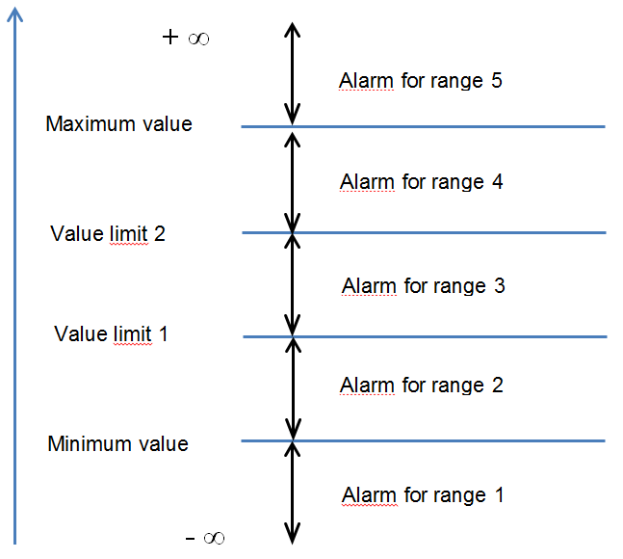
 | Limit 2 (optional) | Threshold in order to add range of the supervised value between min and max values
 | In the template, alarm thresholds are defined through two value limits plus a minimum value and a maximum value. As shown in the figure on the right, this defines 5 ranges for which an alarm may be defined
 | Range <i> alarm severity | Define the alarm severity for a range Severity labels are: - None for events - Min for Minor alarms - Maj for Major alarms - Crit for Critical alarms
 | Range <i> alarm label | Define the alarm label for a range
 | Dead band | Define the tolerance of variation around a threshold
 | Default value | Define the default value of the equipment point
 | Alarm label | This label will be presented to the operators on the HMI. It consists on: Equipment description (displayed in HMI): under Min value / under Max value / etc.

AO POINT
 | Unit | Give the measurement unity of the analog data
 | Range Min value | Define the minimum range of the command value
 | Range Max value | Define the maximum range of the command value
 | Output duration (ms) | Give the properties of the output signal command in ms: Nothing to fill: continuous signal XXX: temporal duration of the pulse
 | Timeout for reaction (s) | Response time between the command and the associated status modification on the equipment
 | Initial condition | Conditions to verify before sending the command
 | Final condition | Conditions to verify after the sending of the command
 | Associated return status | Return equipment status associated with the command

2-Instance List
Column Class | Column Name | Column Description

 | Revision | Identifiy the IO revision in witch the information was added , deleted or modified
 | isAComment | Specify whether the line is a comment or not
 | GBS Code | TBC
 | LBS Code (LRT) | TBC
 | LBS Code (QRC) | TBC
 | Description | Textual description or precision about the Location/sublocation of the equipment instance
 | Location | Define in a short designation the geographical location in which the equipment is based
 | Sublocation | Define in a short designation the sublocation (Subsystem / Level / Building / room) in which the equipment is based
 | Class name | Class name identical to the class name defined in the "1-Class List" tab
 | Equipment name | Give the instance name of the equipment.
 | RTU Name | Name of the concentrator (as viewed in the SCADA subsystem) for the equipment
 | PLC Name | Name of the partner PLC
 | InvalidVar1 | name of the first external variable used to invalidate this equipement (usually comStatus of the gateway or PRTU)
 | InvalidVar2 | name of the second external variable used to invalidate this equipement (usually comStatus of the gateway or PRTU)
 | InvalidVar3 | name of the third external variable used to invalidate this equipement (usually comStatus of the gateway or PRTU)
 | Remark | For variables used as Invalidation Variables, the value 0 needs to correspond to the invalidation state
 |  | i.e. Communication Status must be equal to 0 when communication is lost to invalidate associated points

 | Avalanche Condition | Syntax is <external variable name> = <value> - external variable that is used to identify avalanche condition - value considered for the avalanche condition
 | Example: | deiPWRTPSTPS16_PowerStatus = 0

